Sheet1
PVG TECHNOLOGY
Customer Name:- PVG TECHNOLOGY |  |  |  |  | Color Codes
Project Name:- CLUSTER |  |  |  |  | Updated
Drg Name:- |  |  |  |  | New Added
Drg Part No. : |  |  |  |  | Need to Confirm
Drg Rev. No:- |  |  |  |  | Additional Parts
BOM Rev. No:-
Date:-
Prepared by - Embedded Dept
SR.no. | Component name | Part no. | Specification | Quantity | Component URL | Components Images
1 | LIN Serial Analyzer | APGDT001 | MICROCHIP LIN Serial Analyzer | 1 | https://www.logicpower.in/product-details.aspx?productid=102
2 | BeagleBone | ‎BBONE-BLACK-4G | BeagleBone Rev C with 4GB Flash Memory | 1 | https://www.amazon.in/Beaglebone-Black-Devkit-BeagleBone-Rev/dp/B00K7EEX2U | 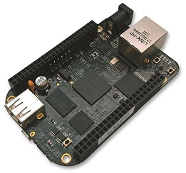
3 | MCP2515 CAN Bus Module | Nil | MCP2515 CAN Module TJA1050 Receiver SPI 51 Single Chip Program Routine Arduino | 2 | https://www.amazon.in/VEDHROM-MCP2515-Controller-Receiver-Protocol/dp/B0CKKD1Y7L/ | 